Daily Power Station Chart_14-01
Plant_07/07/2025Chart

Plant:odco1 |  |  | Installed Capacity:111.180kWp
Today Yield(kWh):457.100kWh |  | Today Earning:182840.000TND |  | Today Full Load Hours(h):4.11h

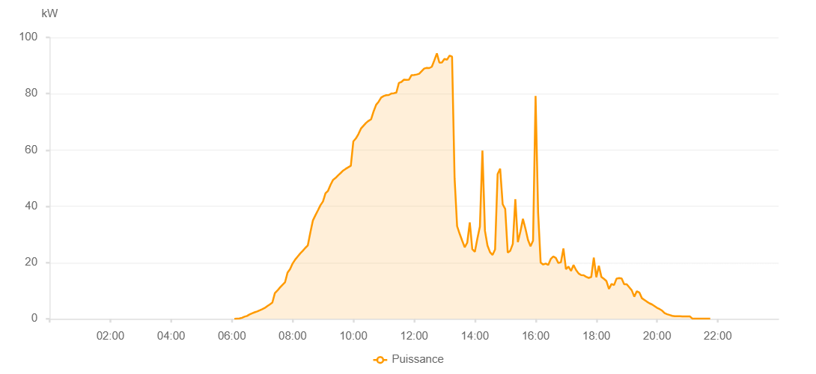

Number | Time | Working State | PV(W) | Instantaneous Radiation(W/㎡)
1 | 06:05:00 | Online | 20.00000 | 0
2 | 06:10:00 | Online | 70.00000 | 0
3 | 06:15:00 | Online | 120.00000 | 0
4 | 06:20:00 | Online | 370.00000 | 2.00000
5 | 06:25:00 | Online | 750.00000 | 5.00000
6 | 06:30:00 | Online | 1040.00000 | 8.00000
7 | 06:35:00 | Online | 1580.00000 | 10.00000
8 | 06:40:00 | Online | 1980.00000 | 15.00000
9 | 06:45:00 | Online | 2330.00000 | 20.00000
10 | 06:50:00 | Online | 2620.00000 | 28.00000
11 | 06:55:00 | Online | 3010.00000 | 36.00000
12 | 07:00:00 | Online | 3410.00000 | 47.00000
13 | 07:05:00 | Online | 3880.00000 | 58.00000
14 | 07:10:00 | Online | 4520.00000 | 70.00000
15 | 07:15:00 | Online | 5140.00000 | 84.00000
16 | 07:20:00 | Online | 5790.00000 | 96.00000
17 | 07:25:00 | Online | 9140.00000 | 110.00000
18 | 07:30:00 | Online | 10050.00000 | 125.00000
19 | 07:35:00 | Online | 11120.00000 | 141.00000
20 | 07:40:00 | Online | 12060.00000 | 160.00000
21 | 07:45:00 | Online | 12960.00000 | 176.00000
22 | 07:50:00 | Online | 16410.00000 | 190.00000
23 | 07:55:00 | Online | 17660.00000 | 208.00000
24 | 08:00:00 | Online | 19640.00000 | 227.00000
25 | 08:05:00 | Online | 21030.00000 | 244.00000
26 | 08:10:00 | Online | 22140.00000 | 262.00000
27 | 08:15:00 | Online | 23210.00000 | 280.00000
28 | 08:20:00 | Online | 24140.00000 | 298.00000
29 | 08:25:00 | Online | 25180.00000 | 314.00000
30 | 08:30:00 | Online | 26070.00000 | 331.00000
31 | 08:35:00 | Online | 30600.00000 | 349.00000
32 | 08:40:00 | Online | 34910.00000 | 368.00000
33 | 08:45:00 | Online | 36780.00000 | 385.00000
34 | 08:50:00 | Online | 38530.00000 | 405.00000
35 | 08:55:00 | Online | 40360.00000 | 420.00000
36 | 09:00:00 | Online | 41690.00000 | 440.00000
37 | 09:05:00 | Online | 44590.00000 | 459.00000
38 | 09:10:00 | Online | 45510.00000 | 475.00000
39 | 09:15:00 | Online | 47650.00000 | 494.00000
40 | 09:20:00 | Online | 49400.00000 | 511.00000
41 | 09:25:00 | Online | 50080.00000 | 527.00000
42 | 09:30:00 | Online | 51010.00000 | 543.00000
43 | 09:35:00 | Online | 51830.00000 | 562.00000
44 | 09:40:00 | Online | 52700.00000 | 577.00000
45 | 09:45:00 | Online | 53310.00000 | 595.00000
46 | 09:50:00 | Online | 53860.00000 | 611.00000
47 | 09:55:00 | Online | 54390.00000 | 625.00000
48 | 10:00:00 | Online | 63070.00000 | 640.00000
49 | 10:05:00 | Online | 64110.00000 | 653.00000
50 | 10:10:00 | Online | 65640.00000 | 667.00000
51 | 10:15:00 | Online | 67600.00000 | 683.00000
52 | 10:20:00 | Online | 68610.00000 | 695.00000
53 | 10:25:00 | Online | 69610.00000 | 708.00000
54 | 10:30:00 | Online | 70350.00000 | 721.00000
55 | 10:35:00 | Online | 70890.00000 | 737.00000
56 | 10:40:00 | Online | 73690.00000 | 748.00000
57 | 10:45:00 | Online | 76040.00000 | 757.00000
58 | 10:50:00 | Online | 77160.00000 | 769.00000
59 | 10:55:00 | Online | 78650.00000 | 782.00000
60 | 11:00:00 | Online | 79180.00000 | 791.00000
61 | 11:05:00 | Online | 79450.00000 | 796.00000
62 | 11:10:00 | Online | 79530.00000 | 804.00000
63 | 11:15:00 | Online | 80040.00000 | 814.00000
64 | 11:20:00 | Online | 80160.00000 | 822.00000
65 | 11:25:00 | Online | 80410.00000 | 830.00000
66 | 11:30:00 | Online | 83840.00000 | 839.00000
67 | 11:35:00 | Online | 84180.00000 | 848.00000
68 | 11:40:00 | Online | 84980.00000 | 856.00000
69 | 11:45:00 | Online | 84900.00000 | 861.00000
70 | 11:50:00 | Online | 85000.00000 | 867.00000
71 | 11:55:00 | Online | 86580.00000 | 872.00000
72 | 12:00:00 | Online | 86650.00000 | 878.00000
73 | 12:05:00 | Online | 86810.00000 | 881.00000
74 | 12:10:00 | Online | 87090.00000 | 885.00000
75 | 12:15:00 | Online | 88020.00000 | 886.00000
76 | 12:20:00 | Online | 88930.00000 | 890.00000
77 | 12:25:00 | Online | 89170.00000 | 898.00000
78 | 12:30:00 | Online | 89100.00000 | 903.00000
79 | 12:35:00 | Online | 89570.00000 | 906.00000
80 | 12:40:00 | Online | 91850.00000 | 923.00000
81 | 12:45:00 | Online | 94310.00000 | 795.00000
82 | 12:50:00 | Online | 91030.00000 | 942.00000
83 | 12:55:00 | Online | 91100.00000 | 926.00000
84 | 13:00:00 | Online | 92370.00000 | 934.00000
85 | 13:05:00 | Online | 92060.00000 | 873.00000
86 | 13:10:00 | Online | 93530.00000 | 928.00000
87 | 13:15:00 | Online | 93150.00000 | 950.00000
88 | 13:20:00 | Online | 49990.00000 | 1019.00000
89 | 13:25:00 | Online | 32900.00000 | 300.00000
90 | 13:30:00 | Online | 30220.00000 | 294.00000
91 | 13:35:00 | Online | 27770.00000 | 288.00000
92 | 13:40:00 | Online | 25430.00000 | 239.00000
93 | 13:45:00 | Online | 27050.00000 | 220.00000
94 | 13:50:00 | Online | 34260.00000 | 290.00000
95 | 13:55:00 | Online | 24740.00000 | 264.00000
96 | 14:00:00 | Online | 23810.00000 | 198.00000
97 | 14:05:00 | Online | 28500.00000 | 224.00000
98 | 14:10:00 | Online | 32790.00000 | 273.00000
99 | 14:15:00 | Online | 59770.00000 | 430.00000
100 | 14:20:00 | Online | 31260.00000 | 353.00000
101 | 14:25:00 | Online | 26040.00000 | 273.00000
102 | 14:30:00 | Online | 23700.00000 | 230.00000
103 | 14:35:00 | Online | 22700.00000 | 208.00000
104 | 14:40:00 | Online | 24630.00000 | 207.00000
105 | 14:45:00 | Online | 51440.00000 | 263.00000
106 | 14:50:00 | Online | 53340.00000 | 614.00000
107 | 14:55:00 | Online | 40730.00000 | 290.00000
108 | 15:00:00 | Online | 39050.00000 | 241.00000
109 | 15:05:00 | Online | 23520.00000 | 218.00000
110 | 15:10:00 | Online | 24210.00000 | 209.00000
111 | 15:15:00 | Online | 26610.00000 | 234.00000
112 | 15:20:00 | Online | 42520.00000 | 768.00000
113 | 15:25:00 | Online | 27250.00000 | 316.00000
114 | 15:30:00 | Online | 30970.00000 | 278.00000
115 | 15:35:00 | Online | 35530.00000 | 277.00000
116 | 15:40:00 | Online | 32030.00000 | 302.00000
117 | 15:45:00 | Online | 28020.00000 | 277.00000
118 | 15:50:00 | Online | 25750.00000 | 244.00000
119 | 15:55:00 | Online | 27790.00000 | 231.00000
120 | 16:00:00 | Online | 79170.00000 | 634.00000
121 | 16:05:00 | Online | 37850.00000 | 450.00000
122 | 16:10:00 | Online | 20020.00000 | 204.00000
123 | 16:15:00 | Online | 19280.00000 | 179.00000
124 | 16:20:00 | Online | 19640.00000 | 177.00000
125 | 16:25:00 | Online | 19150.00000 | 176.00000
126 | 16:30:00 | Online | 21280.00000 | 172.00000
127 | 16:35:00 | Online | 22180.00000 | 197.00000
128 | 16:40:00 | Online | 21640.00000 | 198.00000
129 | 16:45:00 | Online | 19850.00000 | 178.00000
130 | 16:50:00 | Online | 20090.00000 | 156.00000
131 | 16:55:00 | Online | 25000.00000 | 341.00000
132 | 17:00:00 | Online | 17650.00000 | 171.00000
133 | 17:05:00 | Online | 18600.00000 | 156.00000
134 | 17:10:00 | Online | 17030.00000 | 158.00000
135 | 17:15:00 | Online | 19110.00000 | 156.00000
136 | 17:20:00 | Online | 17350.00000 | 169.00000
137 | 17:25:00 | Online | 16110.00000 | 127.00000
138 | 17:30:00 | Online | 15540.00000 | 127.00000
139 | 17:35:00 | Online | 15480.00000 | 140.00000
140 | 17:40:00 | Online | 14930.00000 | 135.00000
141 | 17:45:00 | Online | 14550.00000 | 122.00000
142 | 17:50:00 | Online | 14890.00000 | 116.00000
143 | 17:55:00 | Online | 21770.00000 | 128.00000
144 | 18:00:00 | Online | 14760.00000 | 246.00000
145 | 18:05:00 | Online | 18840.00000 | 120.00000
146 | 18:10:00 | Online | 14910.00000 | 221.00000
147 | 18:15:00 | Online | 14230.00000 | 121.00000
148 | 18:20:00 | Online | 13420.00000 | 104.00000
149 | 18:25:00 | Online | 10620.00000 | 95.00000
150 | 18:30:00 | Online | 12400.00000 | 93.00000
151 | 18:35:00 | Online | 12000.00000 | 126.00000
152 | 18:40:00 | Online | 14310.00000 | 117.00000
153 | 18:45:00 | Online | 14460.00000 | 122.00000
154 | 18:50:00 | Online | 14350.00000 | 103.00000
155 | 18:55:00 | Online | 12310.00000 | 93.00000
156 | 19:00:00 | Online | 12310.00000 | 93.00000
157 | 19:05:00 | Online | 11220.00000 | 85.00000
158 | 19:10:00 | Online | 10140.00000 | 78.00000
159 | 19:15:00 | Online | 7870.00000 | 70.00000
160 | 19:20:00 | Online | 9820.00000 | 66.00000
161 | 19:25:00 | Online | 9350.00000 | 68.00000
162 | 19:30:00 | Online | 7340.00000 | 57.00000
163 | 19:35:00 | Online | 6720.00000 | 48.00000
164 | 19:40:00 | Online | 6090.00000 | 43.00000
165 | 19:45:00 | Online | 5510.00000 | 40.00000
166 | 19:50:00 | Online | 5120.00000 | 37.00000
167 | 19:55:00 | Online | 4520.00000 | 32.00000
168 | 20:00:00 | Online | 3900.00000 | 29.00000
169 | 20:05:00 | Online | 3470.00000 | 27.00000
170 | 20:10:00 | Online | 2920.00000 | 22.00000
171 | 20:15:00 | Online | 2010.00000 | 19.00000
172 | 20:20:00 | Online | 1630.00000 | 17.00000
173 | 20:25:00 | Online | 1350.00000 | 13.00000
174 | 20:30:00 | Online | 1070.00000 | 9.00000
175 | 20:35:00 | Online | 950.00000 | 5.00000
176 | 20:40:00 | Online | 920.00000 | 3.00000
177 | 20:45:00 | Online | 910.00000 | 2.00000
178 | 20:50:00 | Online | 880.00000 | 1.00000
179 | 20:55:00 | Online | 840.00000 | 0
180 | 21:00:00 | Online | 870.00000 | 0
181 | 21:05:00 | Online | 840.00000 | 0
182 | 21:10:00 | Online | 40.00000 | 0
183 | 21:15:00 | Online | 40.00000 | 0
184 | 21:20:00 | Online | 40.00000 | 0
185 | 21:25:00 | Online | 40.00000 | 0
186 | 21:30:00 | Online | 40.00000 | 0
187 | 21:35:00 | Online | 50.00000 | 0
188 | 21:40:00 | Online | 50.00000 | 0
189 | 21:45:00 | Online | 50.00000 | 0
190 | 22:05:00 | Online | 0.00001 | 0.00001

